GenerateAccessToken
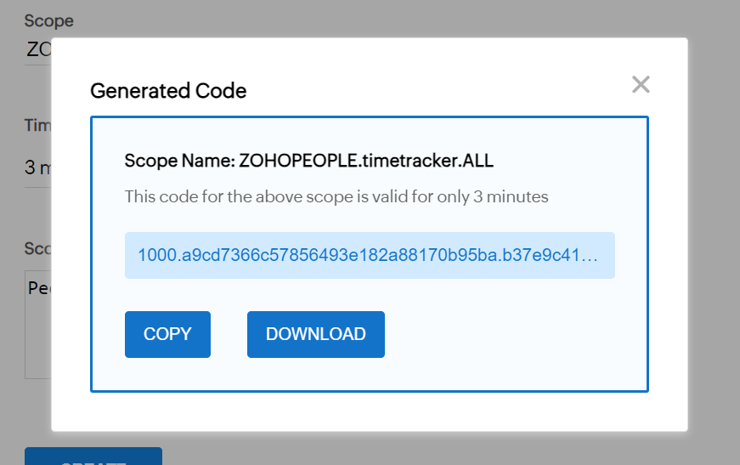
Generate Token

Client Id | 1000.6ZC9IUMB7R64HRC67WCKQ5UAP2IQRS

Client Secret | e8a15c305625992b3c3fdc5fd03783c18a20e56b11

Code | 1000.2d7064cd9d5b6d0fd49f29b9b9e31476.170b2584c8341100ca2e5211c53fafa5

Steps:
Step 1: | Registering a Client.
 | Click on the given link
 | https://api-console.zoho.com/

 | Select Self Client
 | Add details required

 | Goto Client Secret and add Client Id and Client Secret in the field mention earlier.

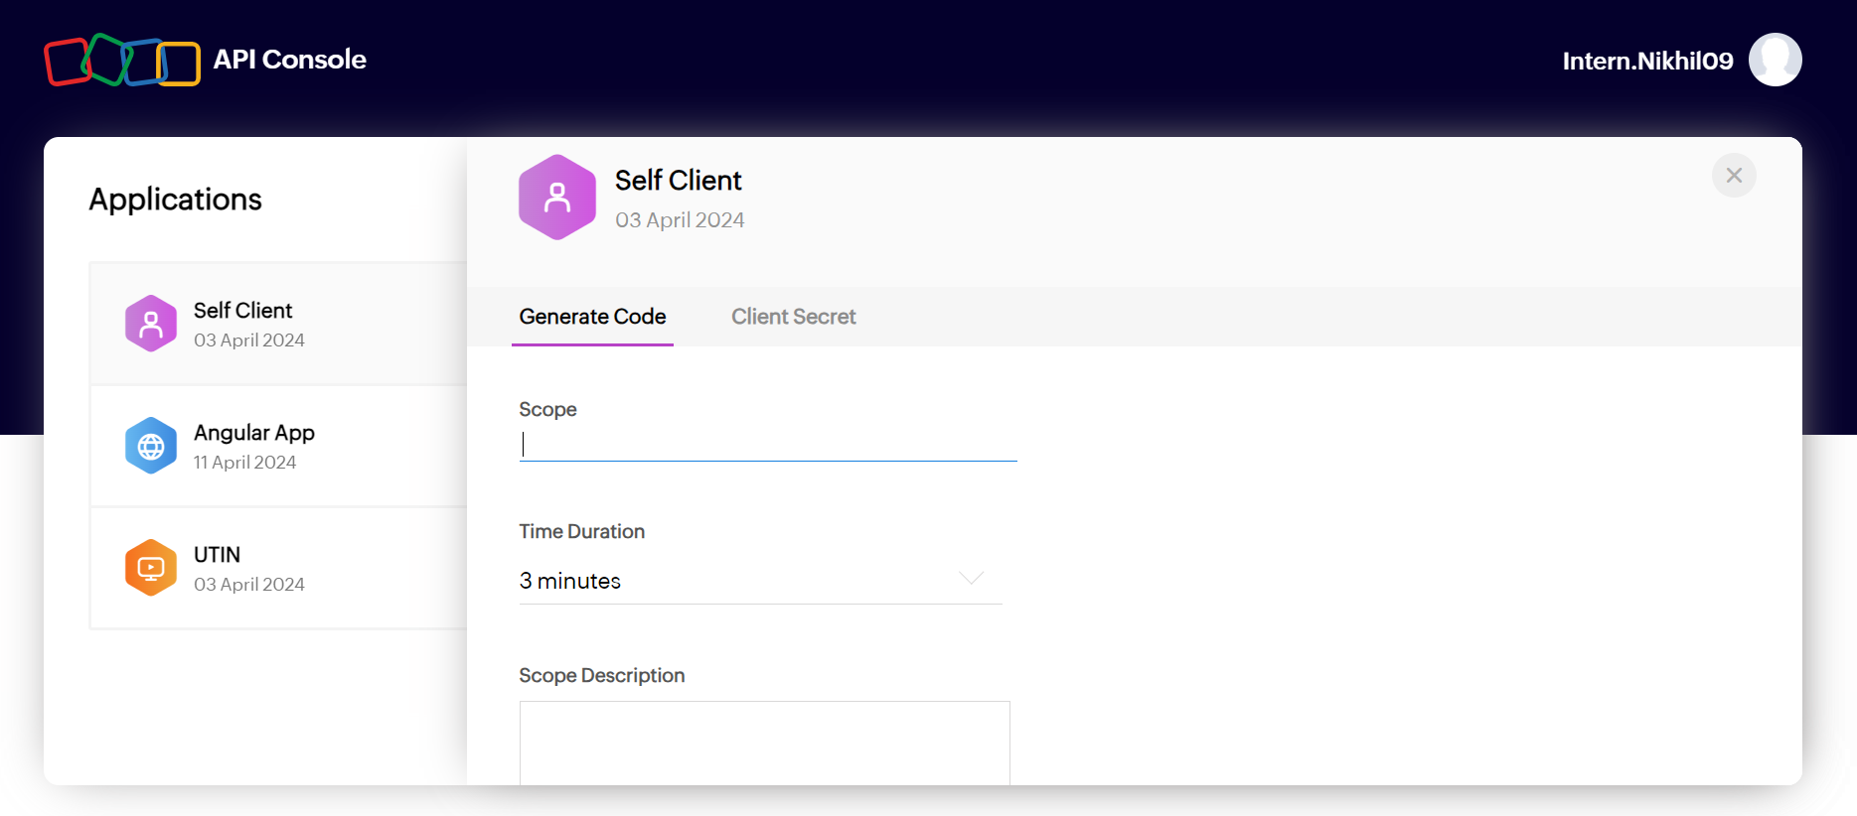
Step 2: | Goto Generate Code and required fields.
 | Scope : ZOHOPEOPLE.timetracker.ALL
 | Time Duration will be as per required.
 | Scope Description will be any.
 | Click on the Create. And copy code from their and add this into code field.

Step 3: | Click the Generate token button.

Step 4: | Goto Start menu and Refresh token button to refresh the token

Report Log Time
Working Job Count / Project
Job Name | Count of Job Name
Coding | 11
Designing | 5
Requirement Gathering | 2
Testing | 8
thinking | 1

Sum of Hours by Job Name
Job Name | Date | Count of Hours
Coding | 12-Apr-24 | 2
Coding | 13-Apr-24 | 9
Designing | 11-Apr-24 | 1
Designing | 13-Apr-24 | 3
Designing | 16-Apr-24 | 1
Requirement Gathering | 8-Apr-24 | 1
Requirement Gathering | 9-Apr-24 | 1
Testing | 12-Apr-24 | 2
Testing | 13-Apr-24 | 6
thinking | 16-Apr-24 | 1

Sum of time by Job Name
Project Name | Job Name | Sum of time
Cafe management and online food ordering | Coding | 217
Cafe management and online food ordering | Designing | 64
Cafe management and online food ordering | Requirement Gathering | 4
Cafe management and online food ordering | Testing | 68
freelance | Designing | 3
freelance | thinking | 6
(blank) | Testing | 15

Sum of time by Project Name
Project Name | Sum of time
Cafe management and online food ordering | 353
freelance | 9
(blank) | 15

Clients Count
Count of Client Id
3

Count of Jobs
Project Name | Count of Job name
Cafe management and online food ordering | 4
freelance | 2
(blank) | 1

 | Rate per Hour | projectName
Coding | 800 | 1
Designing | 500
Testing | 600
Requirement Gathering | 300
thinking | 200

Cost per Job
 | Rate per Hour |  | ProjectName
Coding | 800 | Coding | 1
Designing | 500 | Designing
Testing | 600 | Testing
Requirement Gathering | 300
thinking | 200 | Requirement Gathering
Cafe management and online food ordering |  | thinking
Cafe management and online food ordering
Cafe management and online food ordering
Cafe management and online food ordering
freelance

Count of Project
Count of Project
2

Project Status
 | Total
In-Progress | 2
(blank)
Status | Project status
In-Progress | 2
(blank)

Job Status
Job Status | Count of Job ID
In-Progress | 7

Report Log For DB
 | ProjectCost
NFiTii Project | 40000
Crypt web | 100000
Lamar Interiors | 4000043
Logistics website | 889198391
Stock Market | 30000
Stock exchange | 5000000
Moiz Solkar | 55902
burj khalifa | 0
Fifa Website | 100000
Ubisoft Website | 200000
Project Status
 |  | Count of ProjectStatus
 |  | 12

Count of JobStatus
 | Rate
1068 | 0
1069 | 30
1070 | 500
1071 | 2090
1072 | 65
1073 | 400
1074 | 250
1075 | 32
1076 | 667
1077 | 1500
 |  | JobStatus | Count of JobStatus
 |  | Completed | 1
 |  | In-Progress | 9

 | RatePerHour
backend testing | 0
Coding | 500
Coding | 0
Data Analysis | 1000
Data mining | 500
Requirement Analysi | 150
Software testing | 0
software testing 12 | 0
software testing 123 | 1000
Testing | 150
Count of JobName
 |  | ProjectName | Count of JobName
 |  | Crypt web | 2
 |  | Logistics website | 1
 |  | NFiTii Project | 4
 |  | Ubisoft Website | 2
 |  | Unknown | 1

Count of JobName
No Of Clients
ClientName | Count of JobName |  | Count of Clients
Prince Housing | 2 |  | 5
Prince Technologies | 6
Unknown | 2

No Of Assignee
Count of Assignee
12

